Instructions


Green Office Certification Instructions

1. To complete this certification first look over the "To Participate" tab. These items are prerequisites to begin the certification process. Once you complete the prerequisites, email Jamie Valentine, jvalentine@butler.edu, icluding your office's Green Office Pledge to notify CUES of your intent to participate. Use the "Points" tab to track what your office is currently doing and find tips to implement additional sustainable practices.

2. Next, respond to all of the actions listed in the points tab with either 'yes', 'no', or a number. If a category requests you to elaborate, please explain in the "Additional Notes" column. When finished, highlight 4-6 actions that your office would like to implement over the next two years. CUES will support your office in achieving these goals.

3. Once the application is completed, please save this file as “OfficeAbbreviation_SemesterYear.xlsx.” For example the Center for Urban Ecology and Sustainability would be: "CUES_spring2021." Email your completed application to Jamie Valentine at, jvalentine@butler.edu.

Green Office certification levels are determined by the number of points you receive. Final analysis will be done by the CUES.

Primary Contact/GO leader

Primary Contact/GO leader Email

Program/Department

Secondary Contact

Secondary Contact Email

Program/Department

Office/Unit Name

Building Name

Date Submitted

Please include a description of your office including room number, room type, program/dept., shared space)

Number of Full Time Office Members | #REF!

Number of Part Time Office Members | #REF!

Points
Green Office Certification Points

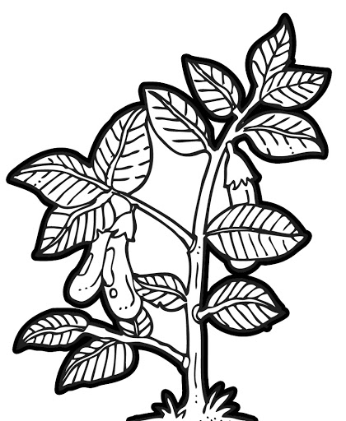



 | Seed, 40 points | Sprout, 55 points | Annual, 65 points | Perennial, 75 points

 |  | Category | Total Points Available
 |  | Awareness | 13
 |  | Transportation | 7
 |  | Wellness | 8
 |  | Diversity, Equity, and Inclusion | 11
 |  | Energy | 15
 |  | Waste Reduction | 23
 |  | Purchasing | 7
 |  | Innovation | 6
 |  | Total possible | 90

